Biostats
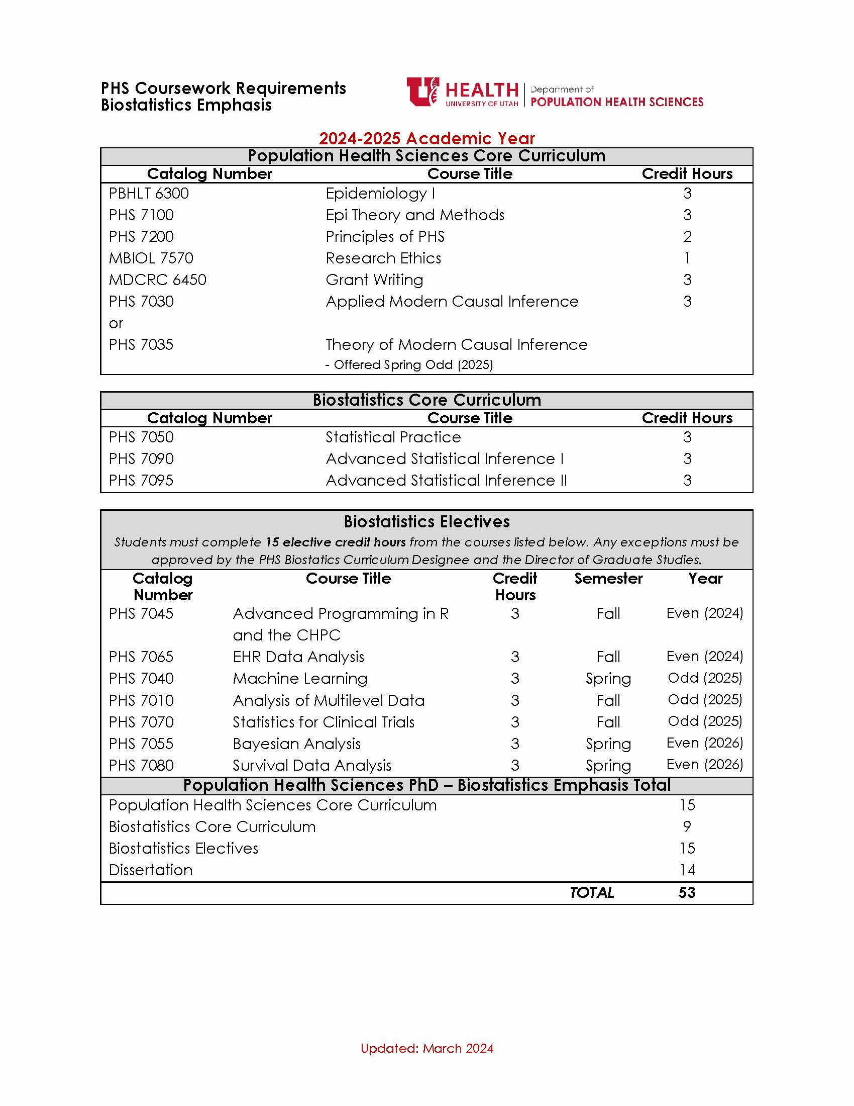
PHS PhD Program of Study: Biostatistics |  |  |  |  | STUDENT NAME
 |  |  | Courses | PHS Core / Emphasis Core / Elective | Credit Hour | Courses | PHS Core / Emphasis Core / Elective | Credit Hour
First Year | Summer | 2024 | Fall | 2024 |  | Spring | 2025
 |  |  | PHS 7090: Advanced Statistical Inference I | Emphasis Core | 3 | PHS 7095: Advanced Statistical Inference II | Emphasis Core | 3
 |  |  | PHS 7050: Statistical Practice | Emphasis Core | 3 | PHS 7200: Principles of PHS | Emphasis Core | 2
 |  |  | PBHLT 6300: Epidemiology I | PHS Core | 3 | PHS 7100: Epi Theory and Methods | Emphasis Core | 3
 |  |  | See list of electives | Elective | 3 | See list of electives | Elective | 3

 | Credit Hours |  | Credit Hours |  | 12 | Credit Hours |  | 11

Second Year | Summer | 2025 | Fall | 2025 |  | Spring | 2026
 |  |  | MBIOL 7570: Research Ethics | PHS Core | 1 | PHS 7030: Applied Modern Causal Inference or PHS 7035: Theory of Modern Causal | Emphasis Core | 3
 |  |  | See list of electives | Elective | 3 | MDCRC 6450: Grant Writing | Emphasis Core | 3
 |  |  | See list of electives | Elective | 3 | See list of electives | Elective | 3
 |  |  | PHS 7970: Dissertation |  | 2

 | Credit Hours |  | Credit Hours |  | 9 | Credit Hours |  | 9

Third Year | Summer | 2026 | Fall | 2026 |  | Spring | 2027
 |  |  | PHS 7970: Dissertation |  | 3 | PHS 7970: Dissertation |  | 3

 |  |  |  |  |  |  |  |  | `
 | Credit Hours |  | Credit Hours |  | 3 | Credit Hours |  | 3

Fourth Year | Summer | 2027 | Fall | 2027 |  | Spring | 2028
 |  |  | PHS 7970: Dissertation |  | 3 | PHS 7970: Dissertation |  | 3

 | Credit Hours |  | Credit Hours |  | 3 | Credit Hours |  | 3

 |  |  |  |  |  | PHS Core Curriculum |  | 15
 |  |  |  |  |  | Biostatistics Emphsis |  | 9
 |  |  |  |  |  | Biostatistics Electives |  | 15
 |  |  |  |  |  | Total Dissertation |  | 14
 |  |  |  |  |  | TOTAL |  | 53

 |  |  |  |  |  | Admission Academic Year:
 |  |  |  |  |  | Fall: | 2024
 |  |  |  |  |  | Spring: | 2025

Biostas Year Zero
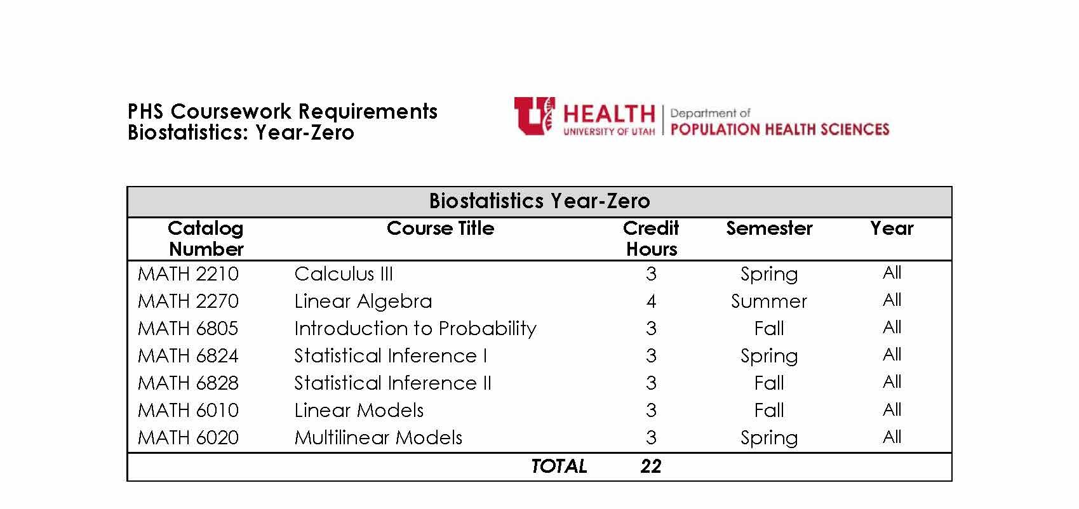
PHS PhD Program of Study: Biostatistics |  |  |  |  | STUDENT NAME
 |  |  | Courses | PHS Core / Emphasis Core / Elective | Credit Hour | Courses | PHS Core / Emphasis Core / Elective | Credit Hour
Year-Zero Year | Summer | 2024 | Fall | 2024 |  | Spring | 2025
 | MATH 2270: Linear Algebra |  | PBHLT 6300: Epidemiology I | PHS Core | 3 | PHS 7100: Epi Theory and Methods | Emphasis Core | 3
 |  |  | MATH 6805: Introduction to Probability | Year Zero | 3 | MATH 6824: Statistical Inference I | Year Zero | 3
 | MATH 2210: Calculus III complete Spring 2024

 | Credit Hours |  | Credit Hours |  | 6 | Credit Hours |  | 6

First Year | Summer | 2025 | Fall | 2025 |  | Spring | 2026
 |  |  | MBIOL 7570: Research Ethics | PHS Core | 1 | PHS 7030: Applied Modern Causal Inference or PHS 7035: Theory of Modern Causal | Emphasis Core | 3
 |  |  | MATH 6828 Statistical Inference II | Year Zero | 3 | PHS 7200: Principles of PHS | Emphasis Core | 2
 |  |  | See list of electives | Elective | 3 | See list of electives | Elective | 3
 |  |  | See list of electives | Elective | 3

 | Credit Hours |  | Credit Hours |  | 10 | Credit Hours |  | 8

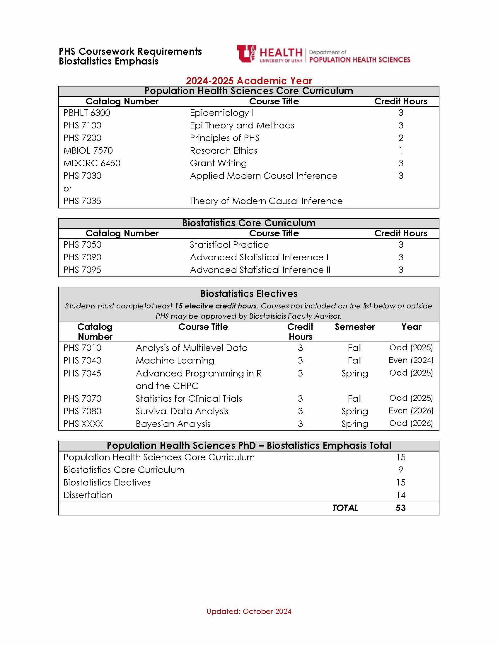
Second Year | Summer | 2026 | Fall | 2026 |  | Spring | 2027
 |  |  | PHS 7090: Advanced Statistical Inference I | Emphasis Core | 3 | PHS 7095: Advanced Statistical Inference II | Emphasis Core | 3
 |  |  | PHS 7050: Statistical Practice | Emphasis Core | 3 | MATH 6020: Multilinear Models | Year Zero | 3
 |  |  | See list of electives | Elective | 3 | See list of electives | Emphasis Core | 3
 |  |  | MATH 6010: Linear Models | Year Zero | 3 | See list of electives | Emphasis Core | 3 | `

 | Credit Hours |  | Credit Hours |  | 12 | Credit Hours |  | 12

Third Year | Summer | 2027 | Fall | 2027 |  | Spring | 2028
 |  |  | PHS 7970: Dissertation |  | 4 | PHS 7970: Dissertation |  | 3

 | Credit Hours |  | Credit Hours |  | 4 | Credit Hours |  | 3

Fourth Year | Summer | 2028 | Fall | 2028 |  | Spring | 2029
 |  |  | PHS 7970: Dissertation |  | 4 | PHS 7970: Dissertation |  | 3

 | Credit Hours |  | Credit Hours |  | 4 | Credit Hours |  | 3

 |  |  |  |  |  | Biostats Year Zero (does not count towards PhD degree): |  | 15
 |  |  |  |  |  | PHS Core Curriculum |  | 12
 |  |  |  |  |  | Biostatistics Emphsis |  | 9
 |  |  |  |  |  | Biostatistics Electives |  | 18
 |  |  |  |  |  | Total Dissertation |  | 14
 |  |  |  |  |  | TOTAL |  | 53

 |  |  |  |  |  | Admission Academic Year:
 |  |  |  |  |  | Fall: | 2024
 |  |  |  |  |  | Spring: | 2025

