CTE
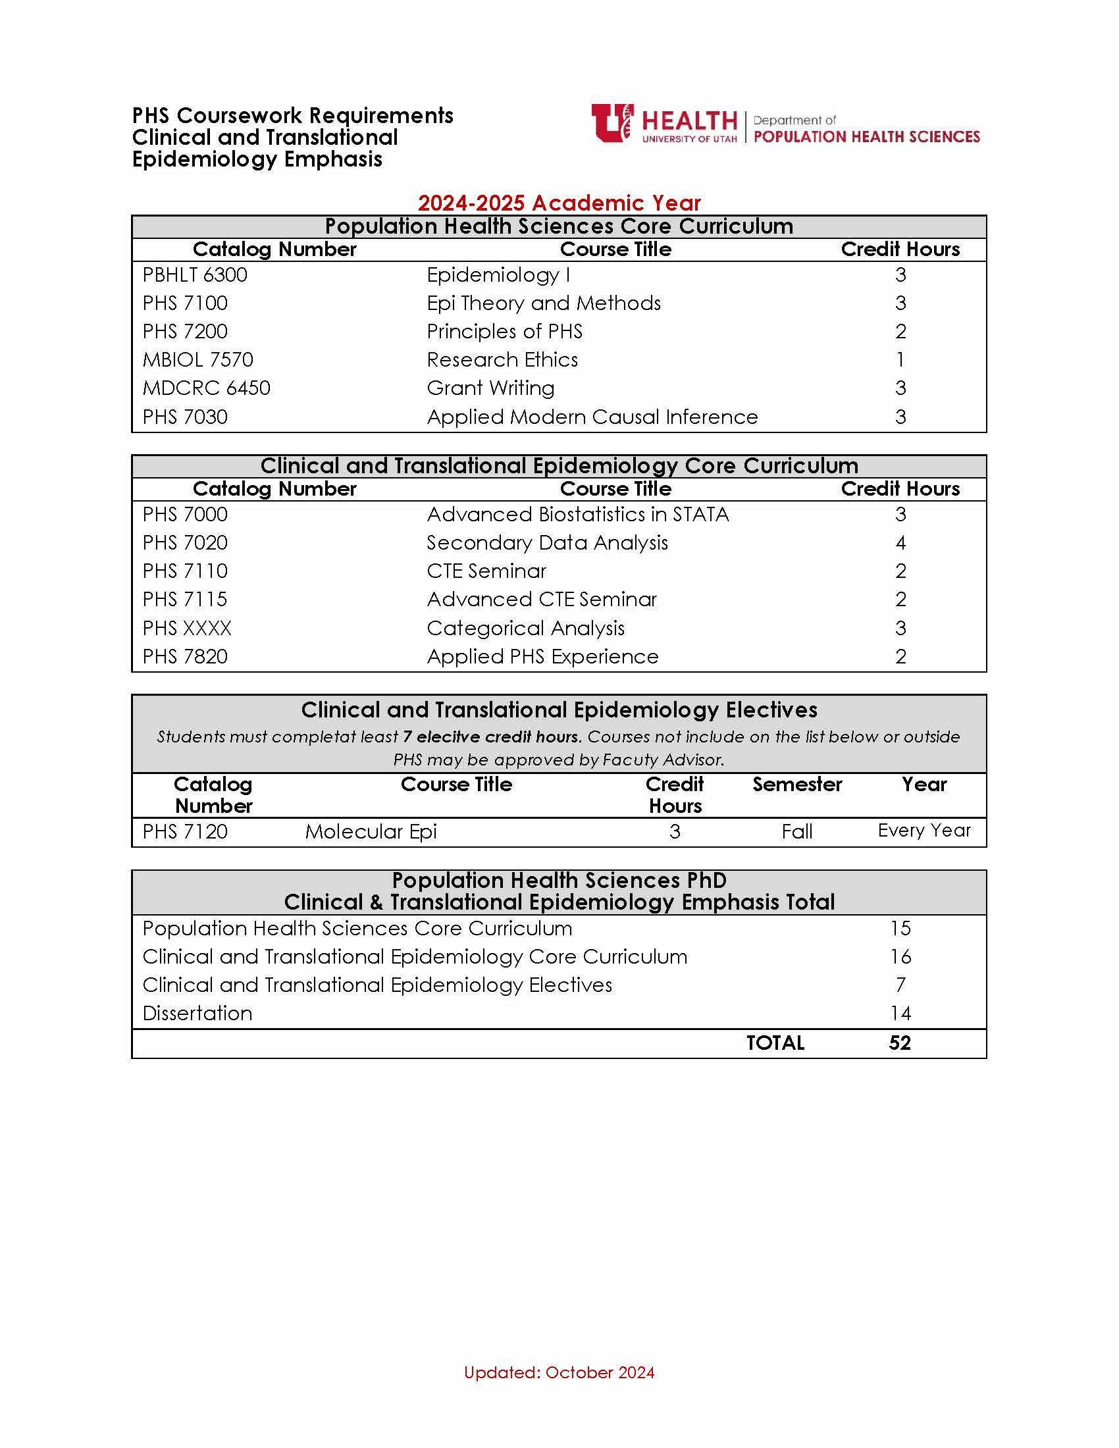
PHS PhD Program of Study: Clinical and Translational Epidemiology |  |  |  |  | STUDENT NAME
 |  |  | Courses | PHS Core / Emphasis Core / Elective | Credit Hour | Courses | PHS Core / Emphasis Core / Elective | Credit Hour
First Year | Summer | 2024 | Fall | 2024 |  | Spring | 2025
 |  |  | PHS 7000: Adv. Biostats in STATA | Emphasis Core | 3 | PHS 7020: Secondary Data Analysis | Emphasis Core | 4
 |  |  | PHS 7110: CTE Seminar | Emphasis Core | 2 | PHS 7200: Principles of PHS | PHS Core | 2
 |  |  | PBHLT 6300: Epidemiology I | PHS Core | 3 | PHS 7100: Epi Theory and Methods | PHS Core | 3
 |  |  | MBIOL 7570: Research Ethics | PHS Core | 1
 |  |  |  |  |  | `
 | Credit Hours |  | Credit Hours |  | 9 | Credit Hours |  | 9

Second Year | Summer | 2025 | Fall | 2025 |  | Spring | 2026
 |  |  | PHS XXXX: Categorical Analysis | Emphasis Core | 3 | PHS 7820: Applied PHS Experience | Emphasis Core | 2
 |  |  | PHS 7115: Advanced CTE Seminar | Emphasis Core | 2 | See list of electives | Elective | 2
 |  |  | PHS 7120: Molecular Epi (See list of electives) | Elective | 3 | PHS 7030: Applied Modern Causal Inference | PHS Core | 3
 |  |  | See list of electives | Elective | 2 | MDCRC 6450: Grant Writing | PHS Core | 3

 | Credit Hours |  | Credit Hours |  | 10 | Credit Hours |  | 10

Third Year | Summer | 2026 | Fall | 2026 |  | Spring | 2027
 |  |  | PHS 7970: Dissertation |  | 4 | PHS 7970: Dissertation |  | 3

 |  |  |  |  |  |  |  |  | `
 | Credit Hours |  | Credit Hours |  | 4 | Credit Hours |  | 3

Fourth Year | Summer | 2027 | Fall | 2027 |  | Spring | 2028
 |  |  | PHS 7970: Dissertation |  | 4 | PHS 7970: Dissertation |  | 3

 | Credit Hours |  | Credit Hours |  | 4 | Credit Hours |  | 3

 |  |  |  |  |  | PHS Core Curriculum |  | 15
 |  |  |  |  |  | CTE Emphsis |  | 16
 |  |  |  |  |  | CTE Electives |  | 7
 |  |  |  |  |  | Total Dissertation |  | 14
 |  |  |  |  |  | TOTAL |  | 52

 |  |  |  |  |  | Admission Academic Year:
 |  |  |  |  |  | Fall: | 2024
 |  |  |  |  |  | Spring: | 2025

